Residential
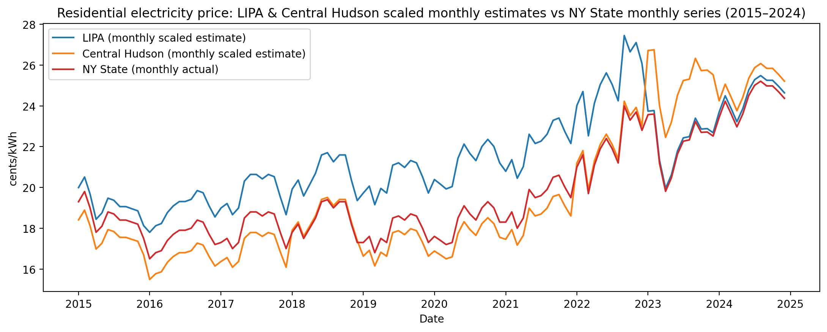
Residential | LIPA Average Price (cents/kWh) | Central Hudson Average Price (cents/kWh)
2015 | 19.19 | 17.67
2016 | 18.94 | 16.48
2017 | 19.77 | 17.04
2018 | 20.68 | 18.59
2019 | 20.39 | 17.19
2020 | 21.22 | 17.57
2021 | 22.07 | 18.53
2022 | 25.22 | 22.26
2023 | 22.33 | 25.13
2024 | 24.57 | 25.14

New York - Statewide Monthly Average Retail Price of Electricity - Residential
 | 2024 | 2023 | 2022 | 2021 | 2020 | 2019 | 2018 | 2017 | 2016 | 2015
January | 23.44 | 23.57 | 21 | 18.3 | 17.6 | 17.3 | 17.8 | 17.3 | 16.5 | 19.3
February | 24.23 | 23.6 | 21.6 | 18.8 | 17.4 | 17.6 | 18.2 | 17.5 | 16.8 | 19.8
March | 23.64 | 21.18 | 19.7 | 18 | 17.2 | 16.8 | 17.5 | 17 | 16.9 | 19
April | 22.97 | 19.81 | 21.1 | 18.5 | 17.3 | 17.5 | 18 | 17.3 | 17.4 | 17.8
May | 23.6 | 20.47 | 21.9 | 19.9 | 18.5 | 17.3 | 18.5 | 18.5 | 17.7 | 18.1
June | 24.51 | 21.63 | 22.4 | 19.5 | 19.1 | 18.5 | 19.3 | 18.8 | 17.9 | 18.8
July | 25.01 | 22.27 | 21.9 | 19.6 | 18.7 | 18.6 | 19.4 | 18.8 | 17.9 | 18.7
August | 25.21 | 22.33 | 21.2 | 19.9 | 18.4 | 18.4 | 19 | 18.6 | 18 | 18.4
September | 24.98 | 23.23 | 24 | 20.5 | 19 | 18.7 | 19.3 | 18.8 | 18.4 | 18.4
October | 24.98 | 22.7 | 23.3 | 20.6 | 19.3 | 18.6 | 19.3 | 18.7 | 18.3 | 18.3
November | 24.69 | 22.72 | 23.7 | 20 | 19 | 18 | 18.2 | 17.8 | 17.7 | 18.2
December | 24.37 | 22.52 | 22.8 | 19.5 | 18.3 | 17.3 | 17.3 | 17 | 17.2 | 17.5
Yearly Average | 24.3025 | 22.16916667 | 22.05 | 19.425 | 18.31666667 | 17.88333333 | 18.48333333 | 18.00833333 | 17.55833333 | 18.525

Seasonal scaling factor-NY statewide-Residential
 | 2024 | 2023 | 2022 | 2021 | 2020 | 2019 | 2018 | 2017 | 2016 | 2015
January | 0.9645098241 | 1.063188362 | 0.9523809524 | 0.9420849421 | 0.9608735214 | 0.9673811743 | 0.9630297565 | 0.9606663582 | 0.9397247271 | 1.041835358
February | 0.9970167678 | 1.064541593 | 0.9795918367 | 0.9678249678 | 0.9499545041 | 0.9841565704 | 0.9846708747 | 0.9717723276 | 0.9568106312 | 1.068825911
March | 0.9727394301 | 0.9553809721 | 0.8934240363 | 0.9266409266 | 0.9390354868 | 0.9394221808 | 0.9467989179 | 0.944007404 | 0.9625059326 | 1.025641026
April | 0.94517025 | 0.8935834304 | 0.9569160998 | 0.9523809524 | 0.9444949955 | 0.9785647717 | 0.9738503156 | 0.9606663582 | 0.9909824395 | 0.9608636977
May | 0.9710935089 | 0.9233545089 | 0.9931972789 | 1.024453024 | 1.010009099 | 0.9673811743 | 1.000901713 | 1.027302175 | 1.008068344 | 0.9770580297
June | 1.008538216 | 0.9756794347 | 1.015873016 | 1.003861004 | 1.042766151 | 1.034482759 | 1.04418395 | 1.043961129 | 1.019458946 | 1.014844804
July | 1.029112231 | 1.004548359 | 0.9931972789 | 1.009009009 | 1.020928116 | 1.040074557 | 1.049594229 | 1.043961129 | 1.019458946 | 1.009446694
August | 1.037341837 | 1.007254821 | 0.9614512472 | 1.024453024 | 1.004549591 | 1.02889096 | 1.027953111 | 1.03285516 | 1.025154248 | 0.9932523617
September | 1.02787779 | 1.047851746 | 1.088435374 | 1.055341055 | 1.037306642 | 1.045666356 | 1.04418395 | 1.043961129 | 1.047935453 | 0.9932523617
October | 1.02787779 | 1.023944668 | 1.056689342 | 1.06048906 | 1.053685168 | 1.040074557 | 1.04418395 | 1.038408144 | 1.042240152 | 0.987854251
November | 1.015944862 | 1.024846822 | 1.074829932 | 1.02960103 | 1.037306642 | 1.006523765 | 0.9846708747 | 0.9884312818 | 1.008068344 | 0.9824561404
December | 1.002777492 | 1.015825283 | 1.034013605 | 1.003861004 | 0.9990900819 | 0.9673811743 | 0.9359783589 | 0.944007404 | 0.9795918367 | 0.9446693657

Monthly sacled estimate-LIPA-Residential
 | 2024 | 2023 | 2022 | 2021 | 2020 | 2019 | 2018 | 2017 | 2016 | 2015
January | 23.69800638 | 23.74099613 | 24.01904762 | 20.79181467 | 20.38973612 | 19.72490214 | 19.91545537 | 18.9923739 | 17.79838633 | 19.99282051
February | 24.49670199 | 23.77121377 | 24.70530612 | 21.35989704 | 20.15803458 | 20.06695247 | 20.36299369 | 19.21193892 | 18.12199336 | 20.51076923
March | 23.9002078 | 21.33365711 | 22.5321542 | 20.45096525 | 19.92633303 | 19.15481827 | 19.57980162 | 18.66302638 | 18.22986236 | 19.68205128
April | 23.22283304 | 19.953718 | 24.13342404 | 21.01904762 | 20.0421838 | 19.95293569 | 20.13922453 | 18.9923739 | 18.7692074 | 18.43897436
May | 23.85976751 | 20.61850618 | 25.04843537 | 22.60967825 | 21.43239308 | 19.72490214 | 20.69864743 | 20.309764 | 19.09281443 | 18.74974359
June | 24.77978397 | 21.78692178 | 25.62031746 | 22.15521236 | 22.12749773 | 21.09310345 | 21.59372408 | 20.63911152 | 19.30855244 | 19.47487179
July | 25.28528752 | 22.43156486 | 25.04843537 | 22.26882883 | 21.66409463 | 21.20712022 | 21.70560866 | 20.63911152 | 19.30855244 | 19.37128205
August | 25.48748894 | 22.49200015 | 24.24780045 | 22.60967825 | 21.31654231 | 20.97908667 | 21.25807033 | 20.41954651 | 19.41642145 | 19.06051282
September | 25.25495731 | 23.39852949 | 27.45034014 | 23.29137709 | 22.01164695 | 21.321137 | 21.59372408 | 20.63911152 | 19.84789748 | 19.06051282
October | 25.25495731 | 22.86468443 | 26.64970522 | 23.40499356 | 22.35919927 | 21.20712022 | 21.59372408 | 20.52932901 | 19.74002848 | 18.95692308
November | 24.96176525 | 22.88482953 | 27.10721088 | 22.72329472 | 22.01164695 | 20.52301957 | 20.36299369 | 19.54128644 | 19.09281443 | 18.85333333
December | 24.63824298 | 22.68337857 | 26.07782313 | 22.15521236 | 21.20069154 | 19.72490214 | 19.35603246 | 18.66302638 | 18.55346939 | 18.12820513

Monthly sacled estimate-Central Hudson-Residential
 | 2024 | 2023 | 2022 | 2021 | 2020 | 2019 | 2018 | 2017 | 2016 | 2015
January | 24.24777698 | 26.71792354 | 21.2 | 17.45683398 | 16.88254777 | 16.62928239 | 17.90272317 | 16.36975474 | 15.4866635 | 18.40923077
February | 25.06500154 | 26.75193023 | 21.80571429 | 17.93379665 | 16.69070064 | 16.91765144 | 18.30503156 | 16.55900046 | 15.7682392 | 18.88615385
March | 24.45466927 | 24.00872383 | 19.88761905 | 17.17065637 | 16.4988535 | 16.14866729 | 17.60099188 | 16.08588616 | 15.86209777 | 18.12307692
April | 23.76158008 | 22.45575161 | 21.30095238 | 17.64761905 | 16.59477707 | 16.82152842 | 18.10387737 | 16.36975474 | 16.3313906 | 16.97846154
May | 24.41329081 | 23.20389881 | 22.10857143 | 18.98311454 | 17.74585987 | 16.62928239 | 18.60676285 | 17.50522906 | 16.6129663 | 17.26461538
June | 25.35465076 | 24.51882419 | 22.61333333 | 18.6015444 | 18.32140127 | 17.78275862 | 19.41137962 | 17.78909764 | 16.80068344 | 17.93230769
July | 25.87188149 | 25.24430027 | 22.10857143 | 18.69693694 | 17.93770701 | 17.87888164 | 19.51195672 | 17.78909764 | 16.80068344 | 17.83692308
August | 26.07877379 | 25.31231365 | 21.40190476 | 18.98311454 | 17.64993631 | 17.6866356 | 19.10964833 | 17.59985192 | 16.894542 | 17.55076923
September | 25.84084765 | 26.33251438 | 24.22857143 | 19.55546976 | 18.22547771 | 17.97500466 | 19.41137962 | 17.78909764 | 17.26997627 | 17.55076923
October | 25.84084765 | 25.7317295 | 23.52190476 | 19.65086229 | 18.51324841 | 17.87888164 | 19.41137962 | 17.69447478 | 17.1761177 | 17.45538462
November | 25.54085382 | 25.75440063 | 23.92571429 | 19.07850708 | 18.22547771 | 17.30214352 | 18.30503156 | 16.84286904 | 16.6129663 | 17.36
December | 25.20982615 | 25.52768936 | 23.01714286 | 18.6015444 | 17.55401274 | 16.62928239 | 17.39983769 | 16.08588616 | 16.14367347 | 16.69230769

Commercial
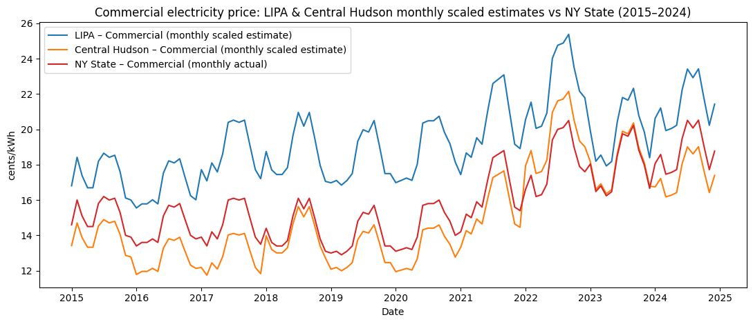
Commercial | LIPA Average Price (cents/kWh) | Central Hudson Average Price (cents/kWh)
2015 | 17.46 | 13.94
2016 | 16.72 | 12.67
2017 | 18.75 | 12.89
2018 | 18.79 | 14.01
2019 | 18.27 | 13.01
2020 | 18.81 | 13.23
2021 | 20.16 | 15.41
2022 | 22.48 | 19.62
2023 | 19.83 | 18.09
2024 | 21.46 | 17.42

New York - Statewide Monthly Average Retail Price of Electricity - Commercial
 | 2024 | 2023 | 2022 | 2021 | 2020 | 2019 | 2018 | 2017 | 2016 | 2015
January | 18.07 | 18.04 | 16.6 | 14.2 | 13.1 | 13 | 14.4 | 13.9 | 13.4 | 14.6
February | 18.58 | 16.48 | 17.4 | 15.2 | 13.2 | 13.1 | 13.6 | 13.4 | 13.6 | 16
March | 17.46 | 16.8 | 16.2 | 15 | 13.3 | 12.9 | 13.4 | 14.2 | 13.6 | 15.1
April | 17.56 | 16.24 | 16.3 | 15.9 | 13.2 | 13.1 | 13.4 | 13.8 | 13.8 | 14.5
May | 17.72 | 16.47 | 16.9 | 15.6 | 13.9 | 13.4 | 13.7 | 14.6 | 13.6 | 14.5
June | 19.48 | 18.47 | 19.4 | 17.1 | 15.7 | 14.8 | 15.1 | 16 | 15.1 | 15.8
July | 20.51 | 19.75 | 20 | 18.4 | 15.8 | 15.3 | 16.1 | 16.1 | 15.7 | 16.2
August | 20.08 | 19.61 | 20.1 | 18.6 | 15.8 | 15.2 | 15.5 | 16 | 15.6 | 16
September | 20.52 | 20.22 | 20.5 | 18.8 | 16 | 15.7 | 16.1 | 16.1 | 15.8 | 16.1
October | 19.1 | 18.82 | 19 | 17.2 | 15.3 | 14.6 | 15 | 15 | 14.9 | 15.3
November | 17.72 | 17.98 | 17.9 | 15.6 | 14.8 | 13.4 | 13.8 | 13.9 | 14 | 14
December | 18.77 | 16.66 | 17.6 | 15.4 | 14 | 13.4 | 13.1 | 13.5 | 13.8 | 13.9
Yearly Average | 18.7975 | 17.96166667 | 18.15833333 | 16.41666667 | 14.50833333 | 13.99166667 | 14.43333333 | 14.70833333 | 14.40833333 | 15.16666667

Seasonal scaling factor-NY statewide-Commercial
 | 2024 | 2023 | 2022 | 2021 | 2020 | 2019 | 2018 | 2017 | 2016 | 2015
January | 0.961298045 | 1.004361139 | 0.9141808169 | 0.8649746193 | 0.9029293509 | 0.9291244789 | 0.9976905312 | 0.9450424929 | 0.9300173511 | 0.9626373626
February | 0.9884293124 | 0.917509511 | 0.9582377237 | 0.9258883249 | 0.9098219414 | 0.9362715902 | 0.9422632794 | 0.9110481586 | 0.9438982071 | 1.054945055
March | 0.9288469211 | 0.9353252297 | 0.8921523635 | 0.9137055838 | 0.9167145319 | 0.9219773675 | 0.9284064665 | 0.9654390935 | 0.9438982071 | 0.9956043956
April | 0.9341667775 | 0.904147722 | 0.8976594768 | 0.9685279188 | 0.9098219414 | 0.9362715902 | 0.9284064665 | 0.9382436261 | 0.957779063 | 0.956043956
May | 0.9426785477 | 0.9169527698 | 0.930702157 | 0.9502538071 | 0.9580700747 | 0.9577129244 | 0.9491916859 | 0.9926345609 | 0.9438982071 | 0.956043956
June | 1.03630802 | 1.028301011 | 1.068379991 | 1.041624365 | 1.082136703 | 1.057772484 | 1.046189376 | 1.087818697 | 1.048004627 | 1.041758242
July | 1.09110254 | 1.099563886 | 1.101422671 | 1.120812183 | 1.089029294 | 1.093508041 | 1.115473441 | 1.094617564 | 1.089647195 | 1.068131868
August | 1.068227158 | 1.091769509 | 1.106929784 | 1.132994924 | 1.089029294 | 1.086360929 | 1.073903002 | 1.087818697 | 1.082706767 | 1.054945055
September | 1.091634526 | 1.125730723 | 1.128958238 | 1.145177665 | 1.102814474 | 1.122096486 | 1.115473441 | 1.094617564 | 1.096587623 | 1.061538462
October | 1.016092566 | 1.047786954 | 1.046351537 | 1.047715736 | 1.054566341 | 1.043478261 | 1.03926097 | 1.019830028 | 1.034123771 | 1.008791209
November | 0.9426785477 | 1.001020692 | 0.9857732905 | 0.9502538071 | 1.020103389 | 0.9577129244 | 0.9561200924 | 0.9450424929 | 0.971659919 | 0.9230769231
December | 0.9985370395 | 0.9275308527 | 0.9692519504 | 0.938071066 | 0.9649626651 | 0.9577129244 | 0.9076212471 | 0.9178470255 | 0.957779063 | 0.9164835165

Monthly sacled estimate-LIPA-Commercial
 | 2024 | 2023 | 2022 | 2021 | 2020 | 2019 | 2018 | 2017 | 2016 | 2015
January | 20.62945604 | 19.9164814 | 20.55078476 | 17.43788832 | 16.98410109 | 16.97510423 | 18.74660508 | 17.71954674 | 15.54989011 | 16.80764835
February | 21.21169304 | 18.1942136 | 21.54118403 | 18.66590863 | 17.11375072 | 17.10568195 | 17.70512702 | 17.08215297 | 15.78197802 | 18.41934066
March | 19.93305493 | 18.5474993 | 20.05558513 | 18.42030457 | 17.24340034 | 16.8445265 | 17.44475751 | 18.101983 | 15.78197802 | 17.38325275
April | 20.04721905 | 17.92924933 | 20.17938504 | 19.52552284 | 17.11375072 | 17.10568195 | 17.44475751 | 17.59206799 | 16.01406593 | 16.69252747
May | 20.22988163 | 18.18317342 | 20.92218449 | 19.15711675 | 18.0212981 | 17.49741513 | 17.83531178 | 18.61189802 | 15.78197802 | 16.69252747
June | 22.2391701 | 20.39120906 | 24.01718219 | 20.99914721 | 20.35499138 | 19.32550328 | 19.65789838 | 20.39660057 | 17.52263736 | 18.1890989
July | 23.41506051 | 21.80435186 | 24.75998164 | 22.5955736 | 20.48464101 | 19.9783919 | 20.95974596 | 20.52407932 | 18.2189011 | 18.64958242
August | 22.92415481 | 21.64978937 | 24.88378155 | 22.84117766 | 20.48464101 | 19.84781418 | 20.17863741 | 20.39660057 | 18.10285714 | 18.41934066
September | 23.42647693 | 22.32324023 | 25.37898118 | 23.08678173 | 20.74394026 | 20.5007028 | 20.95974596 | 20.52407932 | 18.33494505 | 18.53446154
October | 21.80534646 | 20.77761529 | 23.52198256 | 21.12194924 | 19.83639288 | 19.06434783 | 19.52771363 | 19.12181303 | 17.29054945 | 17.61349451
November | 20.22988163 | 19.85024033 | 22.16018357 | 19.15711675 | 19.18814474 | 17.49741513 | 17.96549654 | 17.71954674 | 16.24615385 | 16.11692308
December | 21.42860487 | 18.39293681 | 21.78878385 | 18.91151269 | 18.15094773 | 17.49741513 | 17.05420323 | 17.20963173 | 16.01406593 | 16.0018022

Monthly sacled estimate-Central Hudson-Commercial
 | 2024 | 2023 | 2022 | 2021 | 2020 | 2019 | 2018 | 2017 | 2016 | 2015
January | 16.74581194 | 18.16889301 | 17.93622763 | 13.32925888 | 11.94575531 | 12.08790947 | 13.97764434 | 12.18159773 | 11.78331984 | 13.41916484
February | 17.21843862 | 16.59774705 | 18.80062414 | 14.26793909 | 12.03694428 | 12.18089339 | 13.20110855 | 11.74341076 | 11.95919028 | 14.70593407
March | 16.18051337 | 16.9200334 | 17.50402937 | 14.08020305 | 12.12813326 | 11.99492555 | 13.0069746 | 12.44450992 | 11.95919028 | 13.87872527
April | 16.27318526 | 16.35603229 | 17.61207894 | 14.92501523 | 12.03694428 | 12.18089339 | 13.0069746 | 12.09396034 | 12.13506073 | 13.32725275
May | 16.4214603 | 16.58767561 | 18.26037632 | 14.64341117 | 12.67526709 | 12.45984515 | 13.29817552 | 12.79505949 | 11.95919028 | 13.32725275
June | 18.0524857 | 18.6019653 | 20.96161542 | 16.05143147 | 14.31666858 | 13.76162001 | 14.65711316 | 14.021983 | 13.27821862 | 14.52210989
July | 19.00700625 | 19.8911107 | 21.6099128 | 17.27171574 | 14.40785755 | 14.22653961 | 15.62778291 | 14.1096204 | 13.80582996 | 14.88975824
August | 18.60851709 | 19.75011042 | 21.71796237 | 17.45945178 | 14.40785755 | 14.13355569 | 15.04538106 | 14.021983 | 13.71789474 | 14.70593407
September | 19.01627344 | 20.36446878 | 22.15016062 | 17.64718782 | 14.5902355 | 14.59847528 | 15.62778291 | 14.1096204 | 13.89376518 | 14.79784615
October | 17.70033249 | 18.95446599 | 20.52941716 | 16.14529949 | 13.95191269 | 13.57565217 | 14.56004619 | 13.14560907 | 13.10234818 | 14.06254945
November | 16.4214603 | 18.10846432 | 19.34087196 | 14.64341117 | 13.49596783 | 12.45984515 | 13.39524249 | 12.18159773 | 12.31093117 | 12.86769231
December | 17.39451523 | 16.77903313 | 19.01672327 | 14.45567513 | 12.76645606 | 12.45984515 | 12.71577367 | 11.83104816 | 12.13506073 | 12.77578022

Industrial
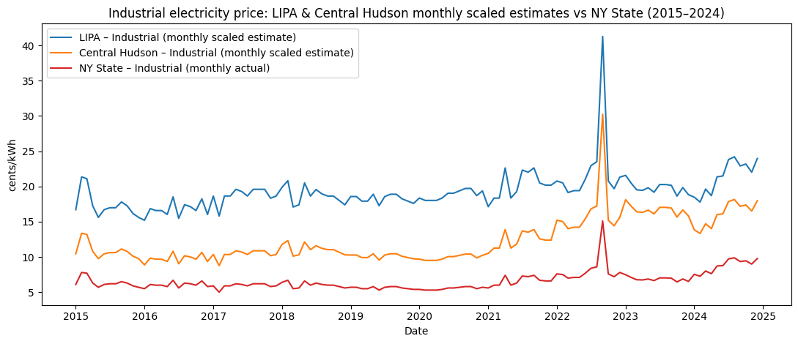
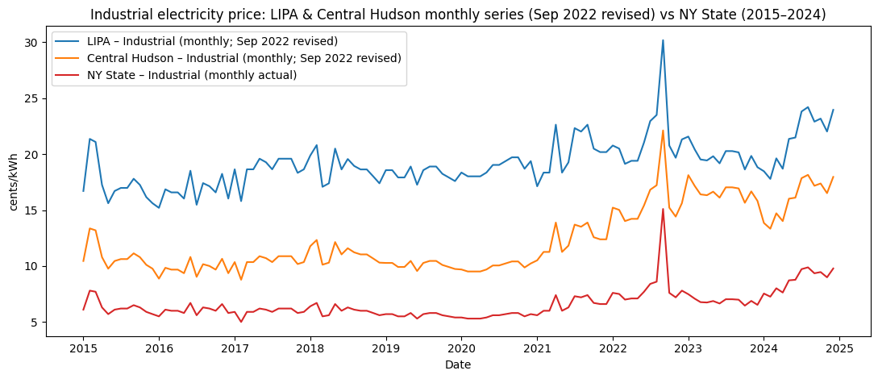
Industrial | LIPA Average Price (cents/kWh) | Central Hudson Average Price (cents/kWh)
2015 | 17.46 | 10.92 | * LIPA reported industrial electricity price as commercial. To analysis the trend we can use commercial one.
2016 | 16.72 | 9.76 | U.S. Energy Information Administration https://www.eia.gov/electricity/sales_revenue_price/
2017 | 18.75 | 10.41 | NYSERDA https://www.nyserda.ny.gov/Energy-Prices/Electricity/Monthly-Avg-Electricity-Residential
2018 | 18.79 | 11.13
2019 | 18.27 | 10.11
2020 | 18.81 | 9.93
2021 | 20.16 | 12.37
2022 | 22.48 | 16.47
2023 | 19.83 | 16.66
2024 | 21.46 | 16.09

New York - Statewide Monthly Average Retail Price of Electricity - Industrial
 | 2024 | 2023 | 2022 | 2021 | 2020 | 2019 | 2018 | 2017 | 2016 | 2015
January | 7.54 | 7.48 | 7.6 | 5.6 | 5.4 | 5.7 | 6.4 | 5.9 | 5.5 | 6.1
February | 7.26 | 7.08 | 7.5 | 6 | 5.3 | 5.7 | 6.7 | 5 | 6.1 | 7.8
March | 8.01 | 6.77 | 7 | 6 | 5.3 | 5.5 | 5.5 | 5.9 | 6 | 7.7
April | 7.63 | 6.74 | 7.1 | 7.4 | 5.3 | 5.5 | 5.6 | 5.9 | 6 | 6.3
May | 8.72 | 6.87 | 7.1 | 6 | 5.4 | 5.8 | 6.6 | 6.2 | 5.8 | 5.7
June | 8.77 | 6.65 | 7.7 | 6.3 | 5.6 | 5.3 | 6 | 6.1 | 6.7 | 6.1
July | 9.72 | 7.03 | 8.4 | 7.3 | 5.6 | 5.7 | 6.3 | 5.9 | 5.6 | 6.2
August | 9.88 | 7.03 | 8.6 | 7.2 | 5.7 | 5.8 | 6.1 | 6.2 | 6.3 | 6.2
September | 9.35 | 6.99 | 15.1 | 7.4 | 5.8 | 5.8 | 6 | 6.2 | 6.2 | 6.5
October | 9.46 | 6.46 | 7.6 | 6.7 | 5.8 | 5.6 | 6 | 6.2 | 6 | 6.3
November | 8.99 | 6.88 | 7.2 | 6.6 | 5.5 | 5.5 | 5.8 | 5.8 | 6.6 | 5.9
December | 9.78 | 6.53 | 7.8 | 6.6 | 5.7 | 5.4 | 5.6 | 5.9 | 5.8 | 5.7
Yearly Average | 8.759166667 | 6.875833333 | 8.225 | 6.591666667 | 5.533333333 | 5.608333333 | 6.05 | 5.933333333 | 6.05 | 6.375

Seasonal scaling factor-NY statewide-Industrial
 | 2024 | 2023 | 2022 | 2021 | 2020 | 2019 | 2018 | 2017 | 2016 | 2015
January | 0.8608124822 | 1.087868137 | 0.9240121581 | 0.8495575221 | 0.9759036145 | 1.016344725 | 1.05785124 | 0.9943820225 | 0.9090909091 | 0.9568627451
February | 0.8288459709 | 1.029693371 | 0.9118541033 | 0.9102402023 | 0.9578313253 | 1.016344725 | 1.107438017 | 0.8426966292 | 1.008264463 | 1.223529412
March | 0.9144705547 | 0.9846079263 | 0.8510638298 | 0.9102402023 | 0.9578313253 | 0.9806835067 | 0.9090909091 | 0.9943820225 | 0.9917355372 | 1.207843137
April | 0.8710874322 | 0.9802448188 | 0.8632218845 | 1.122629583 | 0.9578313253 | 0.9806835067 | 0.9256198347 | 0.9943820225 | 0.9917355372 | 0.9882352941
May | 0.995528494 | 0.999151618 | 0.8632218845 | 0.9102402023 | 0.9759036145 | 1.034175334 | 1.090909091 | 1.04494382 | 0.958677686 | 0.8941176471
June | 1.0012368 | 0.9671554963 | 0.9361702128 | 0.9557522124 | 1.012048193 | 0.9450222883 | 0.9917355372 | 1.028089888 | 1.107438017 | 0.9568627451
July | 1.109694606 | 1.022421525 | 1.021276596 | 1.107458913 | 1.012048193 | 1.016344725 | 1.041322314 | 0.9943820225 | 0.9256198347 | 0.9725490196
August | 1.127961184 | 1.022421525 | 1.045592705 | 1.092288243 | 1.030120482 | 1.034175334 | 1.008264463 | 1.04494382 | 1.041322314 | 0.9725490196
September | 1.067453144 | 1.016604048 | 1.835866261 | 1.122629583 | 1.048192771 | 1.034175334 | 0.9917355372 | 1.04494382 | 1.024793388 | 1.019607843
October | 1.080011417 | 0.9395224821 | 0.9240121581 | 1.016434893 | 1.048192771 | 0.9985141159 | 0.9917355372 | 1.04494382 | 0.9917355372 | 0.9882352941
November | 1.026353344 | 1.000605987 | 0.8753799392 | 1.001264223 | 0.9939759036 | 0.9806835067 | 0.958677686 | 0.9775280899 | 1.090909091 | 0.9254901961
December | 1.116544572 | 0.9497030663 | 0.9483282675 | 1.001264223 | 1.030120482 | 0.9628528975 | 0.9256198347 | 0.9943820225 | 0.958677686 | 0.8941176471

Monthly sacled estimate-LIPA-Industrial
 | 2024 | 2023 | 2022 | 2021 | 2020 | 2019 | 2018 | 2017 | 2016 | 2015
January | 18.47303587 | 21.57242516 | 20.77179331 | 17.12707965 | 18.35674699 | 18.56861813 | 19.87702479 | 18.64466292 | 15.2 | 16.70682353
February | 17.78703454 | 20.41881954 | 20.49848024 | 18.35044248 | 18.01680723 | 18.56861813 | 20.80876033 | 15.8005618 | 16.85818182 | 21.36282353
March | 19.6245381 | 19.52477518 | 19.13191489 | 18.35044248 | 18.01680723 | 17.91708767 | 17.08181818 | 18.64466292 | 16.58181818 | 21.08894118
April | 18.6935363 | 19.43825476 | 19.40522796 | 22.63221239 | 18.01680723 | 17.91708767 | 17.39239669 | 18.64466292 | 16.58181818 | 17.25458824
May | 21.36404148 | 19.81317658 | 19.40522796 | 18.35044248 | 18.35674699 | 18.89438336 | 20.49818182 | 19.59269663 | 16.02909091 | 15.61129412
June | 21.48654172 | 19.17869349 | 21.04510638 | 19.2679646 | 19.03662651 | 17.26555721 | 18.63471074 | 19.27668539 | 18.51636364 | 16.70682353
July | 23.81404624 | 20.27461883 | 22.95829787 | 22.32637168 | 19.03662651 | 18.56861813 | 19.56644628 | 18.64466292 | 15.47636364 | 16.98070588
August | 24.206047 | 20.27461883 | 23.50492401 | 22.02053097 | 19.37656627 | 18.89438336 | 18.94528926 | 19.59269663 | 17.41090909 | 16.98070588
September | 22.90754448 | 20.15925827 | 41.27(30.19 revised) | 22.63221239 | 19.71650602 | 18.89438336 | 18.63471074 | 19.59269663 | 17.13454545 | 17.80235294
October | 23.177045 | 18.63073082 | 20.77179331 | 20.49132743 | 19.71650602 | 18.2428529 | 18.63471074 | 19.59269663 | 16.58181818 | 17.25458824
November | 22.02554276 | 19.84201673 | 19.67854103 | 20.18548673 | 18.69668675 | 17.91708767 | 18.01355372 | 18.32865169 | 18.24 | 16.15905882
December | 23.96104652 | 18.8326118 | 21.31841945 | 20.18548673 | 19.37656627 | 17.59132244 | 17.39239669 | 18.64466292 | 16.02909091 | 15.61129412

Monthly sacled estimate-Central Hudson-Industrial
 | 2024 | 2023 | 2022 | 2021 | 2020 | 2019 | 2018 | 2017 | 2016 | 2015
January | 13.85047284 | 18.12388317 | 15.21848024 | 10.50902655 | 9.690722892 | 10.27524517 | 11.7738843 | 10.35151685 | 8.872727273 | 10.44894118
February | 13.33613167 | 17.15469155 | 15.01823708 | 11.2596713 | 9.51126506 | 10.27524517 | 12.32578512 | 8.77247191 | 9.840661157 | 13.36094118
March | 14.71383122 | 16.40356805 | 14.01702128 | 11.2596713 | 9.51126506 | 9.914710253 | 10.11818182 | 10.35151685 | 9.679338843 | 13.18964706
April | 14.01579678 | 16.33087868 | 14.21726444 | 13.88692794 | 9.51126506 | 9.914710253 | 10.30214876 | 10.35151685 | 9.679338843 | 10.79152941
May | 16.01805347 | 16.64586596 | 14.21726444 | 11.2596713 | 9.690722892 | 10.45551263 | 12.14181818 | 10.87786517 | 9.356694215 | 9.763764706
June | 16.1099001 | 16.11281057 | 15.4187234 | 11.82265487 | 10.04963855 | 9.554175334 | 11.03801653 | 10.70241573 | 10.80859504 | 10.44894118
July | 17.8549862 | 17.0335426 | 16.82042553 | 13.69926675 | 10.04963855 | 10.27524517 | 11.58991736 | 10.35151685 | 9.034049587 | 10.62023529
August | 18.14889544 | 17.0335426 | 17.22091185 | 13.51160556 | 10.22909639 | 10.45551263 | 11.22198347 | 10.87786517 | 10.16330579 | 10.62023529
September | 17.17532109 | 16.93662344 | 30.24(22.12 revised) | 13.88692794 | 10.40855422 | 10.45551263 | 11.03801653 | 10.87786517 | 10.00198347 | 11.13411765
October | 17.37738369 | 15.65244455 | 15.21848024 | 12.57329962 | 10.40855422 | 10.09497771 | 11.03801653 | 10.87786517 | 9.679338843 | 10.79152941
November | 16.51402531 | 16.67009575 | 14.4175076 | 12.38563843 | 9.870180723 | 9.914710253 | 10.67008264 | 10.17606742 | 10.64727273 | 10.10635294
December | 17.96520217 | 15.82205308 | 15.61896657 | 12.38563843 | 10.22909639 | 9.734442793 | 10.30214876 | 10.35151685 | 9.356694215 | 9.763764706

